Visuals - Original Images
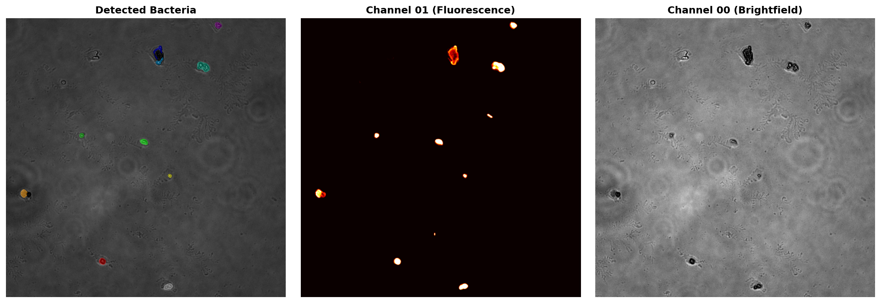
Original Images Comparison

Visuals - Distributions
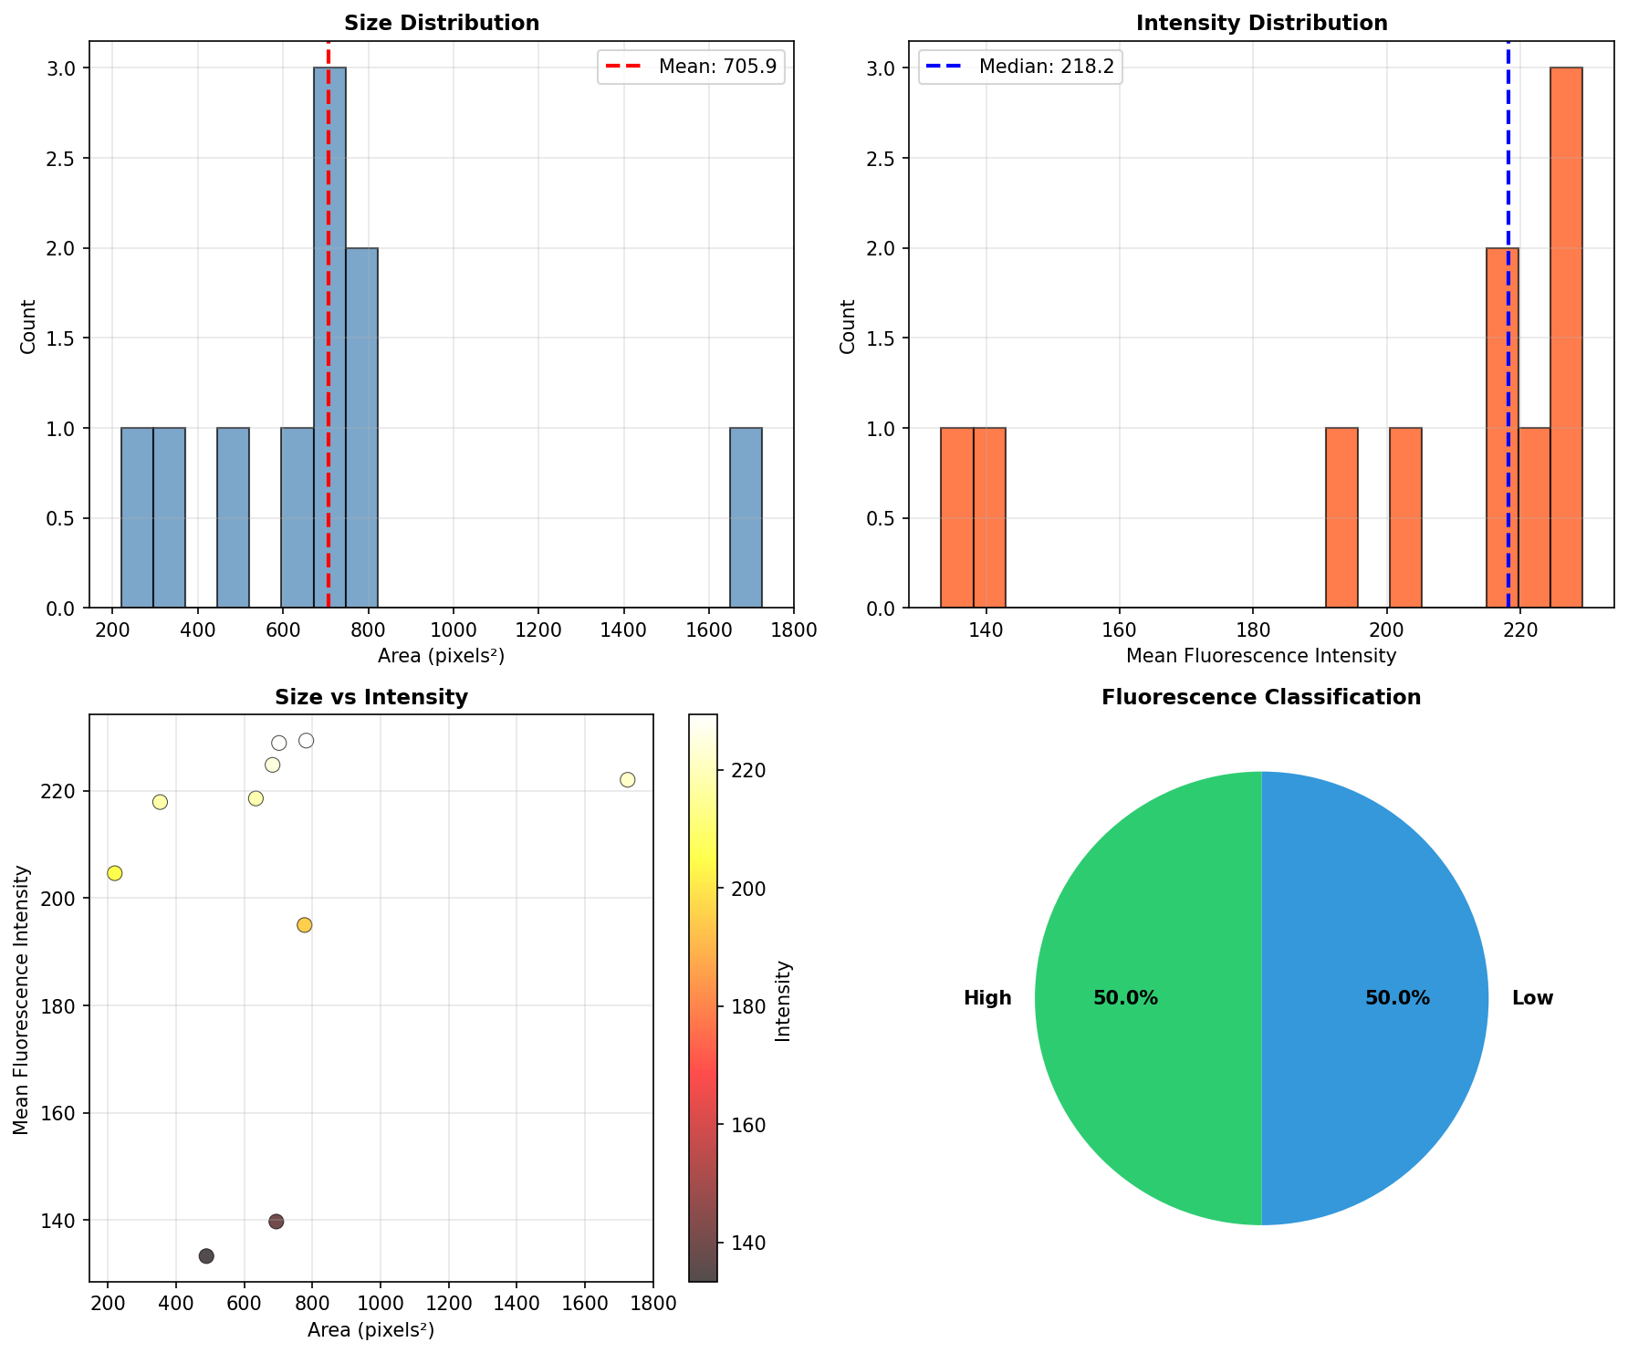
Statistical Distributions & Analysis

Visuals - Top Bacteria
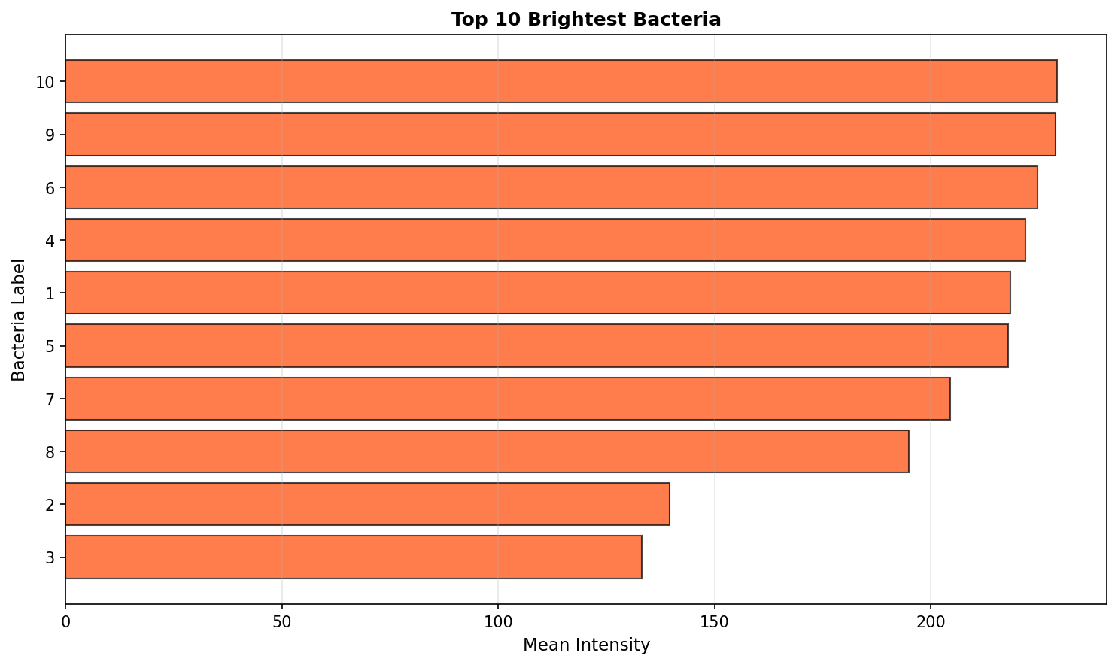
Top 10 Brightest Bacteria

